MODULE 1
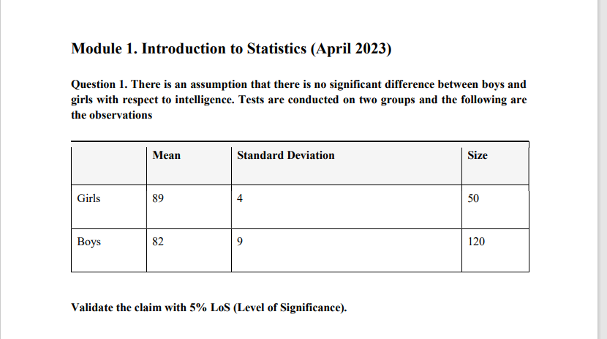

 | Mean | SD | Size |  | H0=u1=u2
Girls | 89 | 4 | 50 |  | Alpha/LOS=5%
Boys | 82 | 9 | 120

$$z=\overline{[x1} −\overline{x2}]−[μ1−μ2]/\sqrt{\begin{aligned}\frac{\left(s1\right)∗(s1)}{n1}+\frac{\left(s2\right)∗(s2)}{n2} \\ \\ \end{aligned}}$$

 |  |  |  |  | where u1=u2

 |  |  |  |  | x1 bar= 89 | s1*s1= 16 | n1= 50
 |  |  |  |  | x2 bar= 82 | s2*s2=81 | n2= 120

 |  |  |  |  | [x1bar-x2bar] | 7
 |  |  |  |  | u1=u2 | 0
 |  |  |  |  | (s1*s2)/n1 | 0.32
 |  |  |  |  | (s1*s2)/n2 | 0.675

 |  |  |  |  | 0.99749686716

 |  |  |  |  | Z | 7.0175659008

 |  |  |  |  | Alpha/LOS = 1.96
 |  |  |  | The H0 is Rejected there is no signiificance diffrence between intelligence of boys and girls.

